1. Title Page
Instacart Grocery Basket Analysis

Project Name: Instacart Grocery Basket Analysis
Date: December 2023
Analyst Name: Ragadeepthi


Contents:
Population Flow
Consistency checks
Wrangling steps
Column derivations
Visualizations
Recommendations

Data Sets
https://s3.amazonaws.com/coach-courses-us/public/courses/data-immersion/A4/A4_Data_Assets/customers.zip

2. Population Flow
Title page

Population flow

Exclusion flag
Condition: max_order <
Obervations to be removed:
Final total count of order_products_all:

Orders_products_combined
Orders_products_merged
Orders_products_all

Total: 32,434,489
Total: 32,404,854
Total: 32,404,859

1. In the first row of grey boxes, you can observe the original datasets as they were when initially downloaded. In the 'Total' fields, include the count of rows from the datasets at the point of import into Jupyter.
2. Moving to the second row of colored boxes, these represent the datasets after various manipulations, such as removing missing values and duplicates. Update the 'Total' fields to reflect the count of rows after performing these operations. This visual representation provides an overview of the data flow during consistency checks.
3. The third row, distinguished by colored boxes and arrows, illustrates the merges conducted between datasets. In the 'Total' fields, add the count of rows in the merged datasets, leading to the creation of the final dataset (depicted in the red box). Ensure the final dataset is free of exclusions, as determined by the exclusion flag. This step-by-step process offers clarity on how the data evolves throughout the consistency checks.

3. Consistency checks
 |  |  |  | Title page

Consistency checks

Dataset | Missing values | Missing values treatment | Duplicates
orders | days_since_prior_order (206,209) | No treatment as values are still valuable. | NA
products | product_name (16) | Missing values removed | 5 duplicates removed
orders_products_prior | NA | NA | NA
customers | first_name (11,259) | Changed to 'Unknown' | NA

4. Wrangling steps
 |  |  |  |  | Title page
Wrangling steps

 | Columns dropped | Columns renamed | Columns' type changed | Comment/Reason
orders | eval_set' from orders | - | - | Values are not needed
 | Unnamed: 0' from orders | - | - | Column no needed
 | Unnamed: 0' from orders | - | - | Column no needed
 | - | Orders: 'order_dow' to 'orders_day_of_week' | - | To understand what dow stands for
 | - | Orders: 'days_since_prior_order' : 'days_since_last_order' | - | Better name
 | - | - | Orders: 'order_id' to str | fixing data quality
 | - | - | Orders: changed 'mix' data to 'str' | fixing data quality
products | Unnamed: 0' from products | - | -
orders_products_prior | Unnamed: 0' from orders/order prior | - | -
customer | - | Customers: 'First Name' : 'first_name' | - | Better column name and to create consistency among columns
 | - | Customers: 'Surnam' : 'last_name' | - | Better column name and to create consistency among columns
 | - | Customers: 'Gender' : 'gender' | - | Better column name and to create consistency among columns
 | - | Customers: 'STATE' : 'state' | - | Better column name and to create consistency among columns
 | - | Customers: 'Age' : 'age' | - | Better column name and to create consistency among columns
 | - | Customers: 'n_dependants' : 'number_of_dependants' | - | Better column name and to create consistency among columns
 | - | Customers: 'fam_status' : 'marital_status' | - | Better column name and to create consistency among columns

5. Column derivations
In this tab you should add tables below that the frequences of flags/label variables that you produced after deriving them. NB: don't do this for continuous variables, only for flags.
 |  |  |  |  |  |  |  | Title page

Column derivations and aggregations

Dataset | New column | Column/s it was derived from | Conditions
Orders | price_range_loc' | price | High-range product' (More than $15)
 |  |  | Mid-range product' (more than 5 to less or equal to 15)
 |  |  | Low-range product' (less than or equal to $5)
Orders/Products | 'loyalty_flag' | max_order | Loyal customer' (more than 40 orders)
 |  |  | Regular customer' (more than 10 to less or equal to 40)
 |  |  | New customer' (less than or equal to 10 orders)
Orders/Products | 'spender_flag' | average_price | High spender' (more than or equal $10)
 |  |  | Low spender' (less than $10)
Orders/Products | frequency_flag' | median_order_frequency' | Non-frequent customer' (more than 20)
 |  |  | Regular customer' (more than 10 to less or equal to 20)
 |  |  | Frequent customer' (less than or equal to 10)
All | 'age_group' | age | 18-29 years old'
 |  |  | 30-44 years old'
 |  |  | '45-59 years old'
 |  |  | '60-81 years old'
All | income_group' | income | lower income' (less than 50 K)
 |  |  | middle income' (more or equal to 50K to less than 100K)
 |  |  | high income' (more or equal to 100K)
All | 'dependants_group' | 'number_of_dependants' | no dependants' (0 number of depandants)
 |  |  | has dependants' (1 or more dependants)
All | 'profile_1' | age, marital status, dependants | single young adult w/o dependants | 18-29 years old | single, divorced/widowed |  | No dependants
 |  |  | single adult w/o dependants | 30-44 years old & 45-59 years old | single, divorced/widowed |  | No dependants
 |  |  | single older adult w/o dependants | 60-81 years old | single, divorced/widowed |  | No dependants
 |  |  | single young adult with dependants | 18-29 years old | living with parents and siblings |  | Has dependants
 |  |  | single adult with dependants | 30-44 years old & 45-59 years old | living with parents and siblings |  | Has dependants
 |  |  | single older adult with dependants | 60-81 years old | living with parents and siblings |  | Has dependants
 |  |  | married young adult with dependants | 18-29 years old | married | Has dependants
 |  |  | married adult with dependants | 30-44 years old & 45-59 years old | married | Has dependants
 |  |  | married older adult with dependants | 60-81 years old | married | Has dependants
All | profile_2' | age, marital status, income dependants | low income single young adult w/o dependants | 18-29 years old | single, divorced/widowed | lower income | No dependants
 |  |  | low income single adult w/o dependants | 30-44 years old & 45-59 years old | single, divorced/widowed | lower income | No dependants
 |  |  | low income single older adult w/o dependants | 60-81 years old | single, divorced/widowed | lower income | No dependants
 |  |  | low income single young adult with dependants | 18-29 years old | living with parents and siblings | lower income | Has dependants
 |  |  | low income single adult with dependants | 30-44 years old & 45-59 years old | living with parents and siblings | lower income | Has dependants
 |  |  | low income single older adult with dependants | 60-81 years old | living with parents and siblings | lower income | Has dependants
 |  |  | low income married young adult with dependants | 18-29 years old | married | lower income | Has dependants
 |  |  | low income married adult with dependants | 30-44 years old & 45-59 years old | married | lower income | Has dependants
 |  |  | low income married older adult with dependants | 60-81 years old | married | lower income | Has dependants
 |  |  | mid income single young adult w/o dependants | 18-29 years old | single, divorced/widowed | middle income | No dependants
 |  |  | mid income single adult w/o dependants | 30-44 years old & 45-59 years old | single, divorced/widowed | middle income | No dependants
 |  |  | mid income single older adult w/o dependants | 60-81 years old | single, divorced/widowed | middle income | No dependants
 |  |  | mid income single young adult with dependants | 18-29 years old | living with parents and siblings | middle income | Has dependants
 |  |  | mid income single adult with dependants | 30-44 years old & 45-59 years old | living with parents and siblings | middle income | Has dependants
 |  |  | mid income single older adult with dependants | 60-81 years old | living with parents and siblings | middle income | Has dependants
 |  |  | mid income married young adult with dependants | 18-29 years old | married | middle income | Has dependants
 |  |  | mid income married adult with dependants | 30-44 years old & 45-59 years old | married | middle income | Has dependants
 |  |  | mid income married older adult with dependants | 60-81 years old | married | middle income | Has dependants
 |  |  | high income single young adult w/o dependants | 18-29 years old | single, divorced/widowed | high income | No dependants
 |  |  | high income single adult w/o dependants | 30-44 years old & 45-59 years old | single, divorced/widowed | high income | No dependants
 |  |  | high income single older adult w/o dependants | 60-81 years old | single, divorced/widowed | high income | No dependants
 |  |  | high income single young adult with dependants | 18-29 years old | living with parents and siblings | high income | Has dependants
 |  |  | high income single adult with dependants | 30-44 years old & 45-59 years old | living with parents and siblings | high income | Has dependants
 |  |  | high income single older adult with dependants | 60-81 years old | living with parents and siblings | high income | Has dependants
 |  |  | high income married young adult with dependants | 18-29 years old | married | high income | No dependants
 |  |  | high income married adult with dependants | 30-44 years old & 45-59 years old | married | high income | No dependants
 |  |  | high income married older adult with dependants | 60-81 years old | married | high income | No dependants

6. Visualizations
 |  | Title page

Visualizations

In this tab I have included all the visualizations from Exercises 4.9 and 4.10.

 | 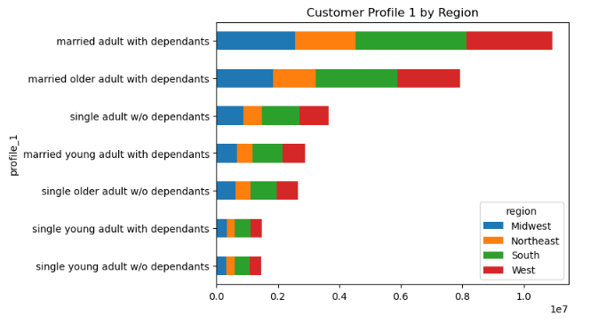
The busiest days of the week are Saturday & Sunday | The west region has the most order from married adults with dependants
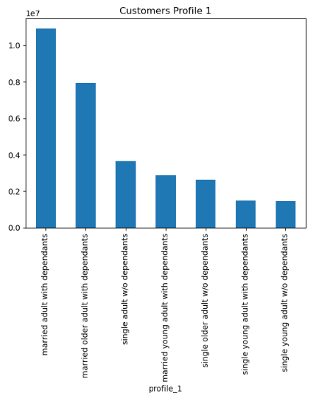 | 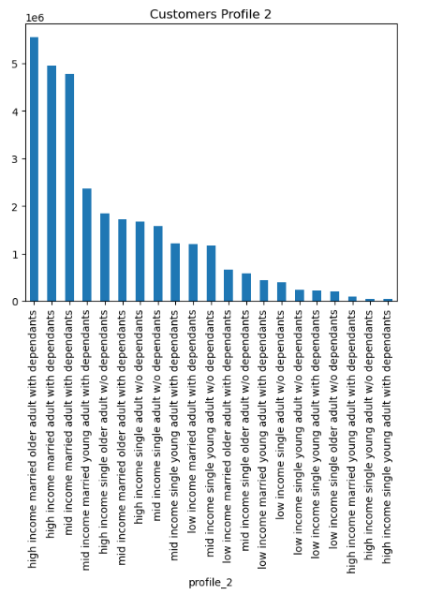

The above graphs show the distribution among each profile
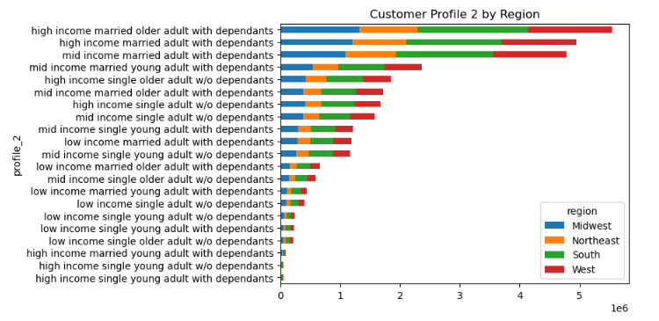
When adding the income factor to check profiles by region, those married adults or older adults with depedants remain in the top with highest orders, but it now shows that they are part of the high income range
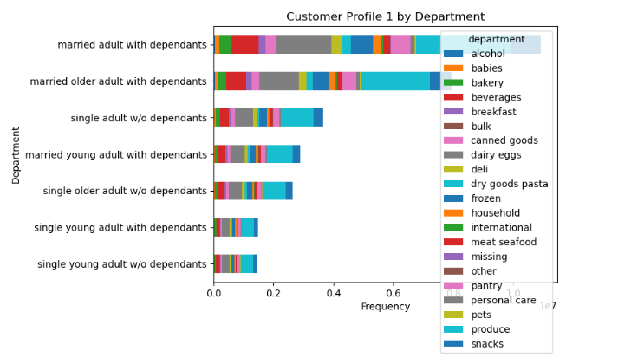
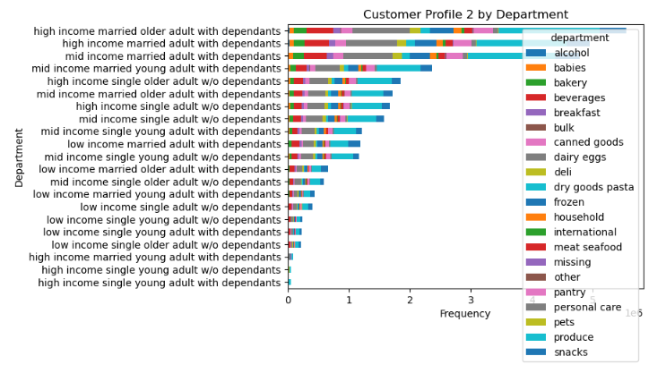
On the two graphs above, snacks, produce, and pets are the top departments even after adding the income range to the customer profile.
 | 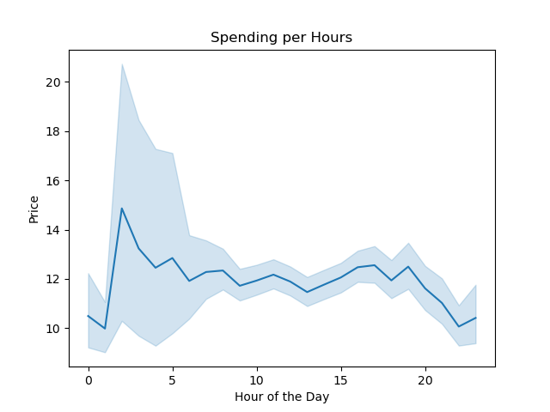
9 am to 3 pm are the busiest hours of the day | 10 am to 5 am is when customers spend the most
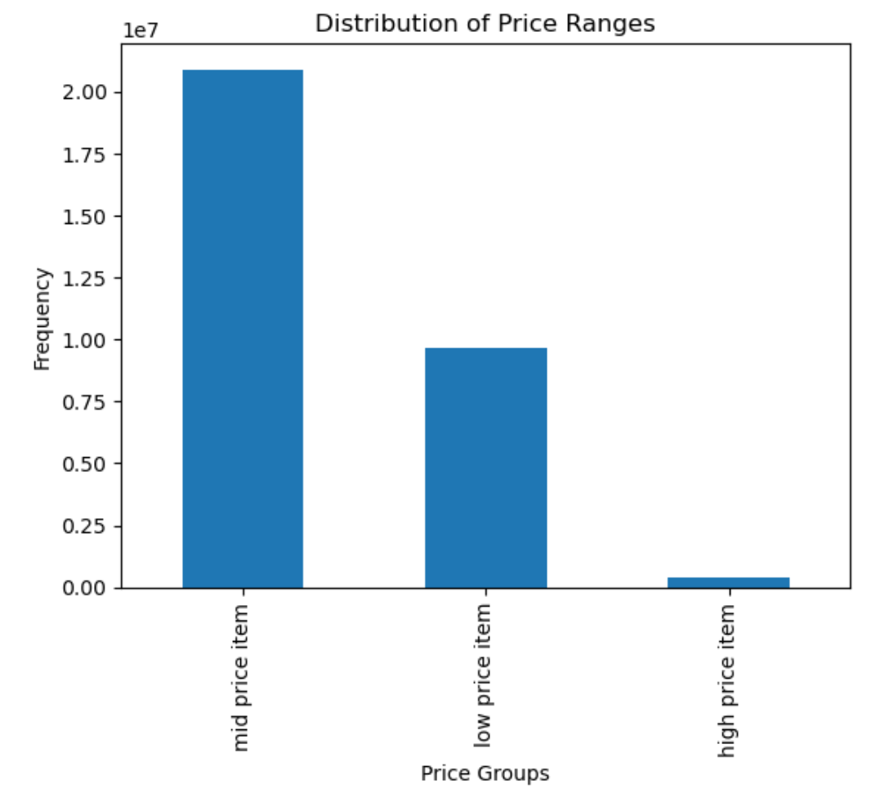 | 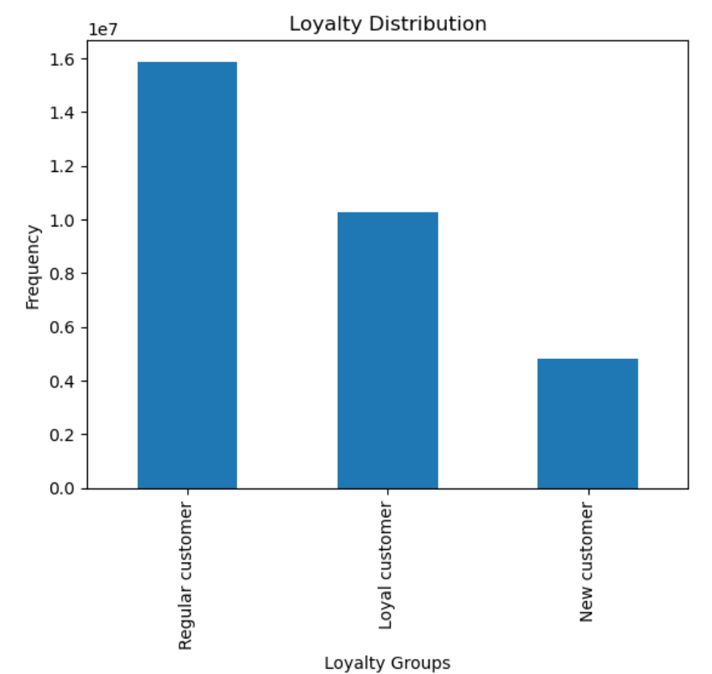
Instacart's customer prefer mid-price items | Most customers fall under the regular customer category regarding loyalty
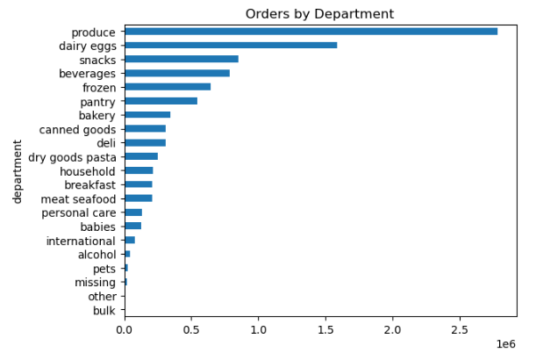
The most ordered items come from the produce, dairy eggs, and snacks departments
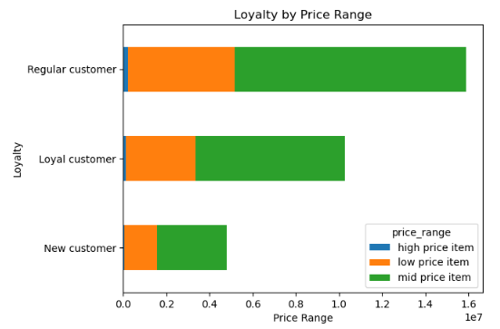 | 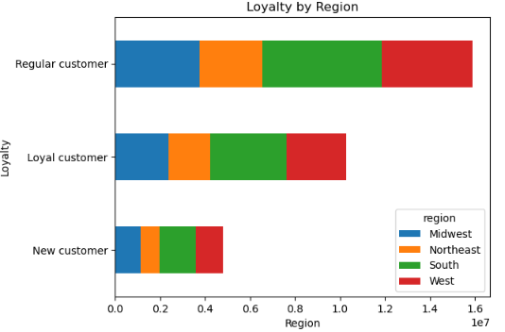
Regular customers prefer mid-price items | The most loyal group, regular customers are located in the West region
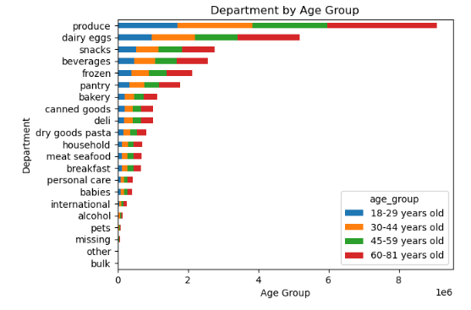 | 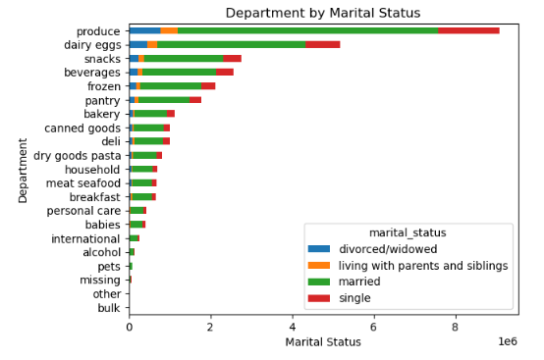
Single older adults placed the most orders in the top departments when only taking into account the marital status and age factors.
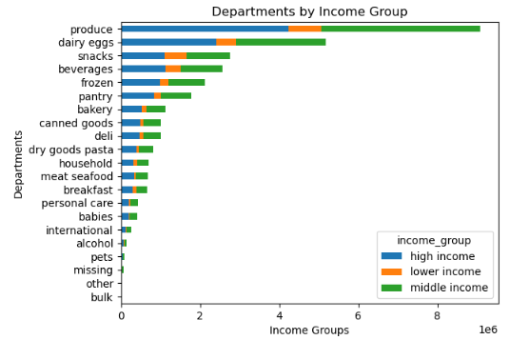 | 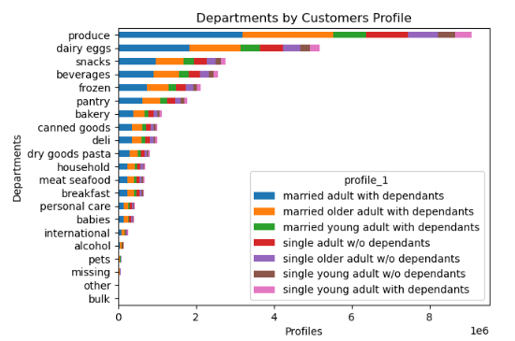
Once we add the dependants and income factors, married adults and older adults with dependants and high income order the most in the top departments
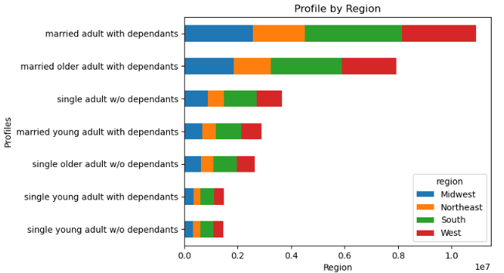
Married adults and older adults with dependants are located in the West region
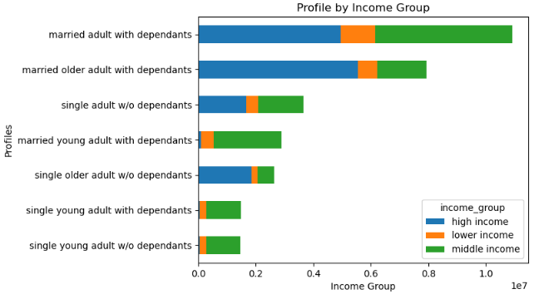
Married adults and older adults with dependants are also part of the top income group of high income
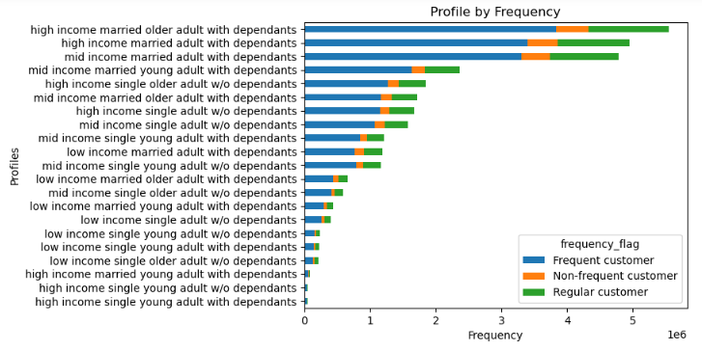
High income married adult and older adult with dependants fall under the regular customer frequency flag.
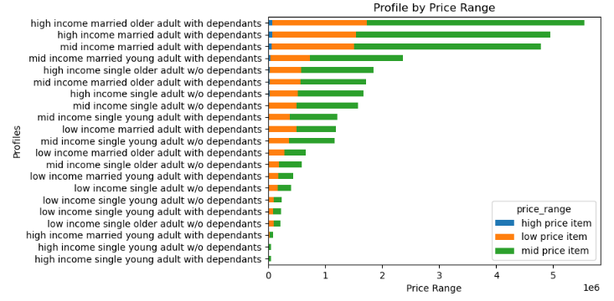
High income married adult and older adult with dependants prefer mid-range items

7. Recommendations
 |  | Title page

Recommendations

In this section, provided your recommendations to Instacart regarding their marketing strategy. Ensure that each key question outlined in the brief is addressed within the corresponding tasks in the exercises. Additionally, include a visual representation such as a table or cross-tabulation, accompanied by your commentary, to succinctly convey the insights derived from the data. Below, list the questions and present the answers with relevant visualizations and comments.

The sales team needs to know what the busiest days of the week and hours of the day are (i.e., the days and times with the most orders) in order to schedule ads at times when there are fewer orders.

Saturdays and Sunday are the busiest days and the best days to schedule ads. | Between 9 am to 3 pm will be the best time to schedule ads
They also want to know whether there are particular times of the day when people spend the most money, as this might inform the type of products they advertise at these times.

Customer are spending the most during the hours of 1 am to 5 am
Instacart has a lot of products with different price tags. Marketing and sales want to use simpler price range groupings to help direct their efforts.

Most customers are purchasing mid-price items between $5 to $15.
Are there certain types of products that are more popular than others? The marketing and sales teams want to know which departments have the highest frequency of product orders.

Produce, dairy eggs, and snacks are the top 3 departments with the highest frequency.
The marketing and sales teams are particularly interested in the different types of customers in their system and how their ordering behaviors differ. For example:
What’s the distribution among users in regards to their brand loyalty (i.e., how often do they return to Instacart)?

Instacart has more regular customer which means customer place between 11 to 40 orders.
Are there differences in ordering habits based on a customer’s loyalty status?
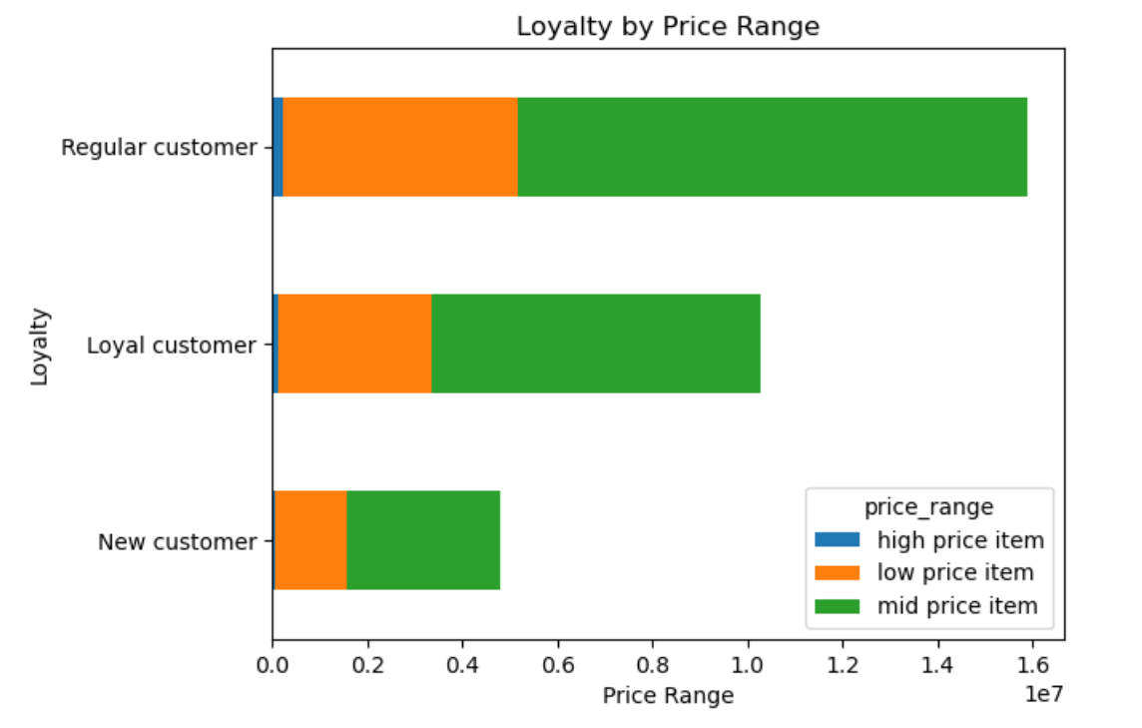
Based on the visualization, mid-price items are the most purchased by all 3 loyalty groups.
Are there differences in ordering habits based on a customer’s region?
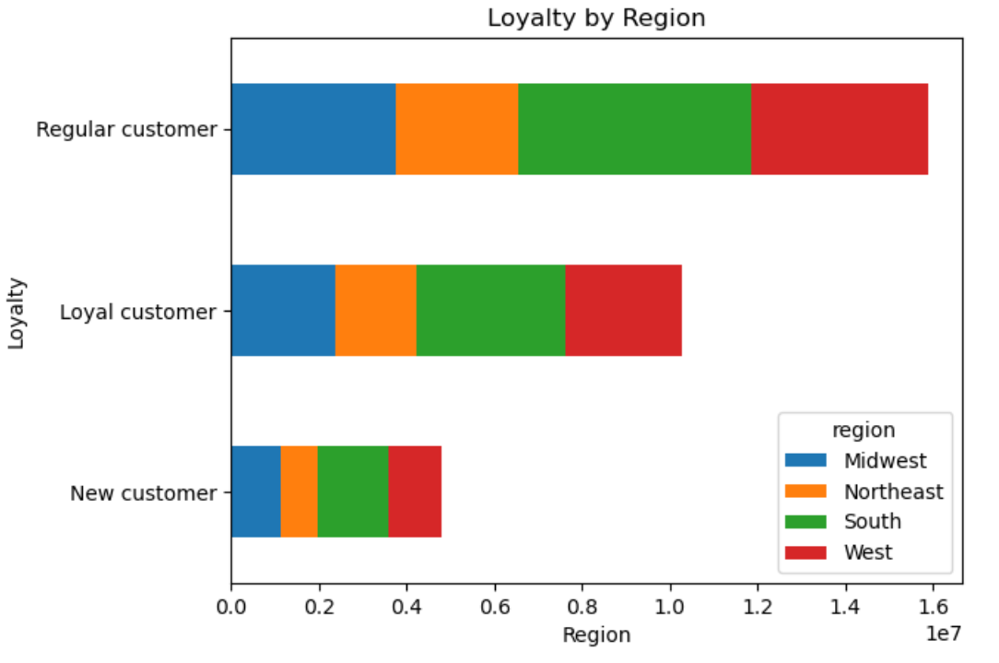 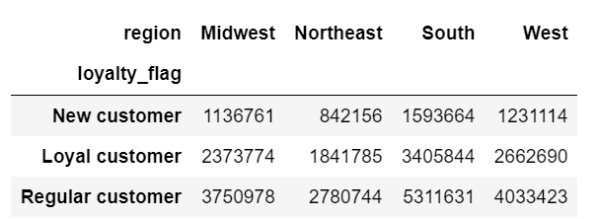
The majority of the customers are in the South region and fall under the regular customers range.
The South region also has the most new customers.
The Northeast has the least customers in all 3 loyalty groups.
Is there a connection between age and family status in terms of ordering habits?
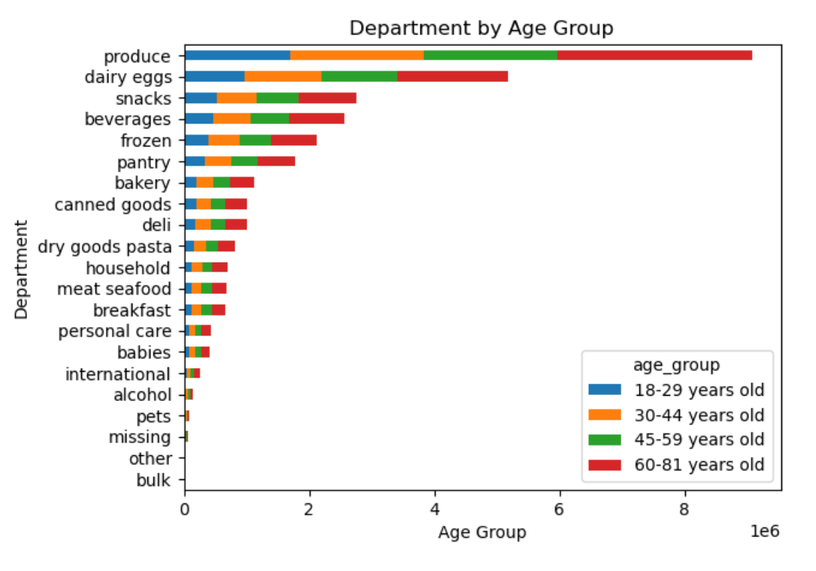 | 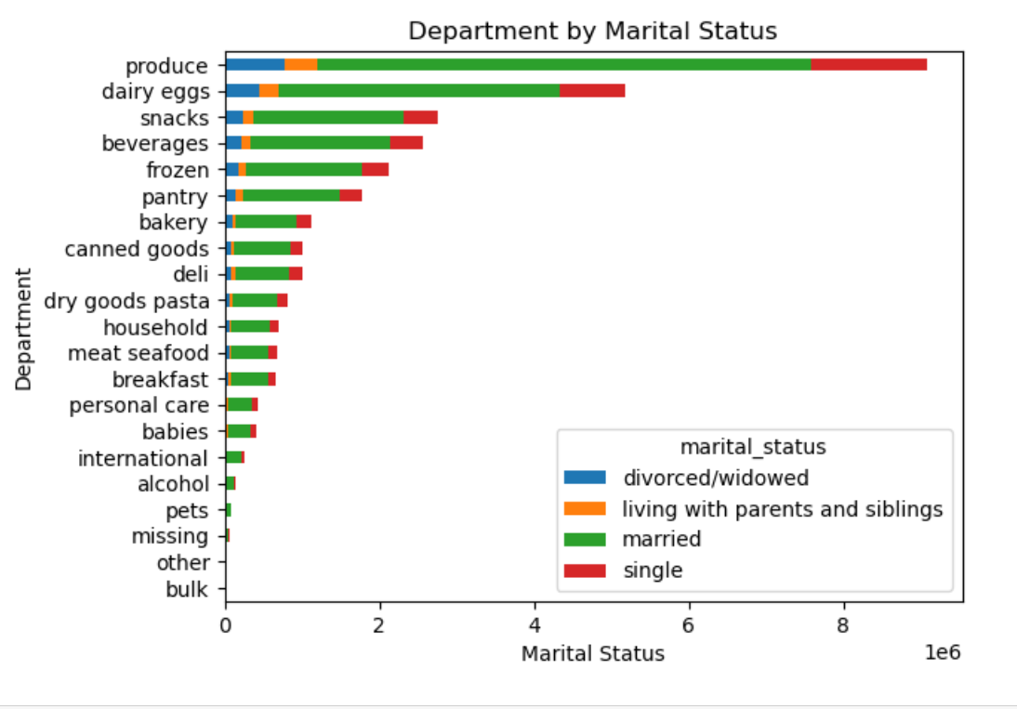
Based on this visualization, customers between 60 and 81 order the most and prefer items in the produce, dairy eggs, and snacks department. | In this visualization, singles preferred items in the produce, dairy eggs, and snacks department and this is the marital status group that orders the most.
What different classifications does the demographic information suggest? Age? Income? Certain types of goods? Family status?
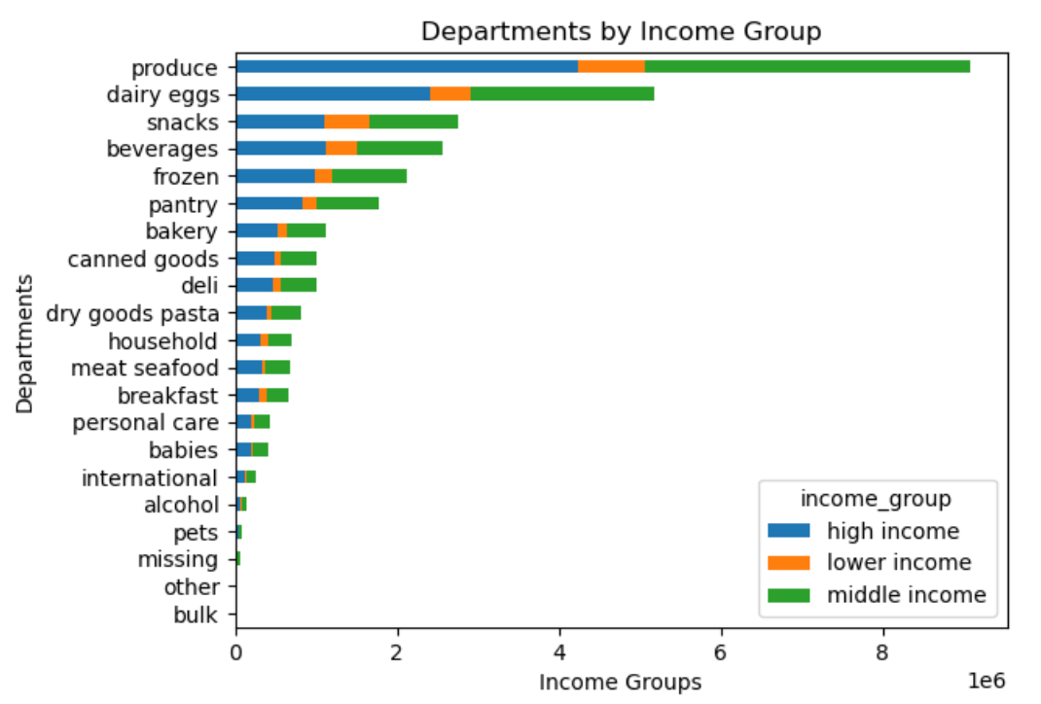 | 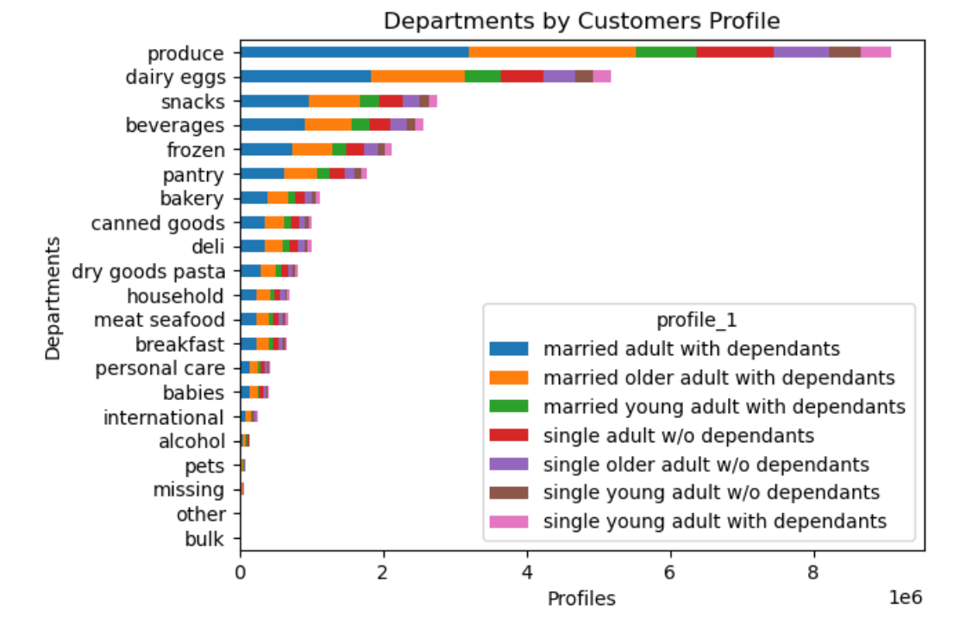
This visualization shows that middle-income customers order the most and they prefer items in the produce, dairy eggs, and snacks department. | When combining marital status, age, and dependants, it was found that those customers in the single young adults with dependants order the most. This group prefers items in the produce, dairy eggs, and snacks department.
What differences can you find in ordering habits of different customer profiles? Consider the price of orders, the frequency of orders, the products customers are ordering, and anything else you can think of.
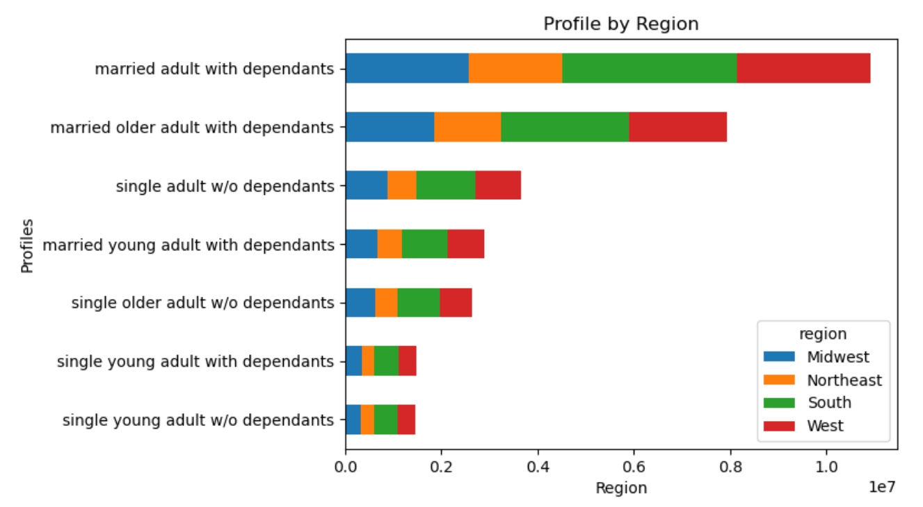 | 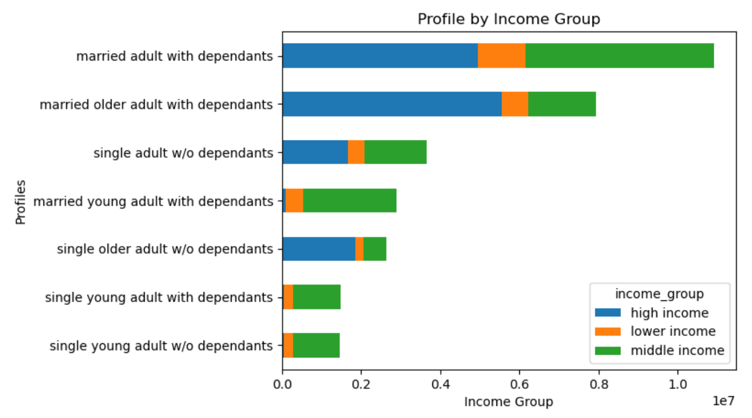

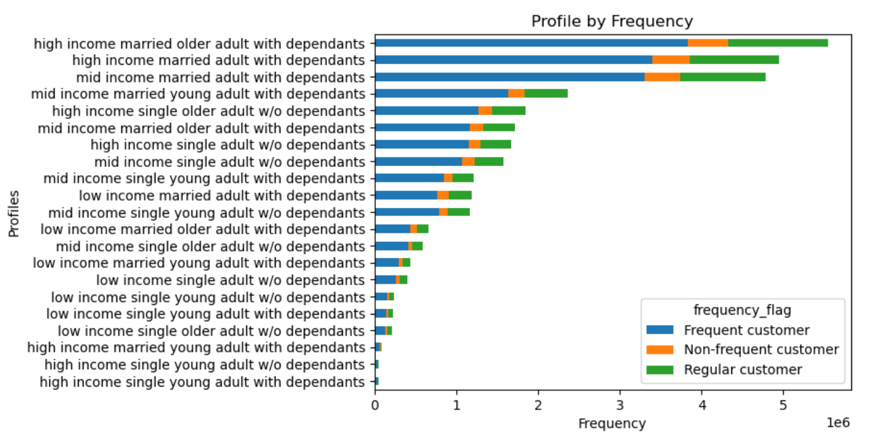
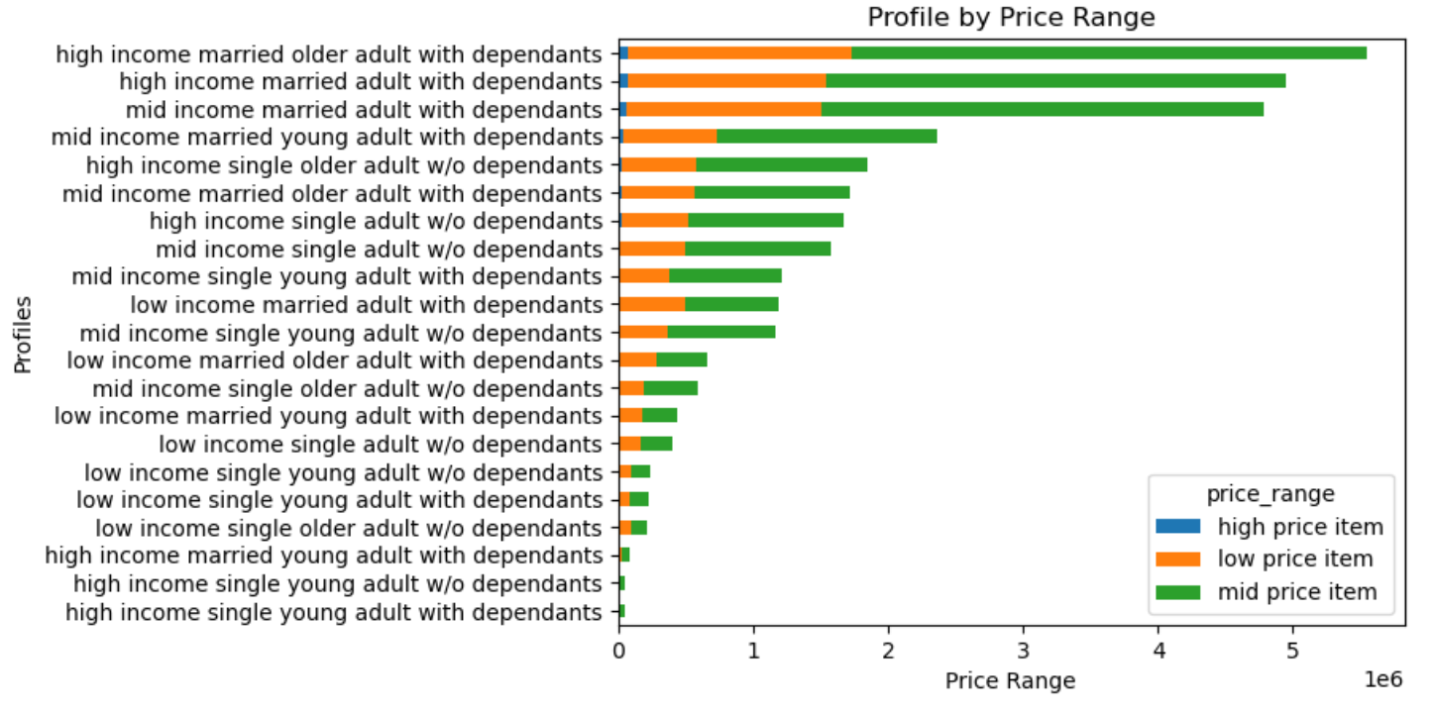
Having dependants is one of the biggest factors in order habits: Both single adult and married adults or older adults with dependants order the most in the top departments, are regular customers, and spend the most on mid-price items.
On the other hand, young singles without dependants order the least even at a higher income range.
It is also determent that the South region has the most customers in all 3 loyalty groups, but the West region is where most orders are placed.
Produce, dairy eggs, and snacks are the top departments across profiles.

